Building Calcs
Conversions
947817.12031 | BTU per GJ

CO2 Emissions Factors
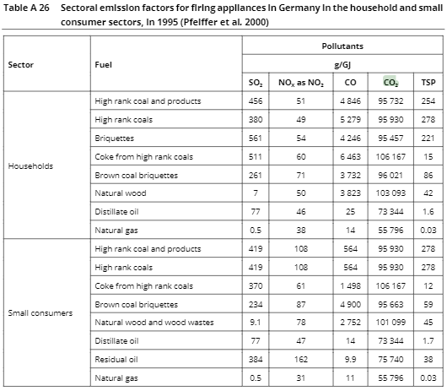
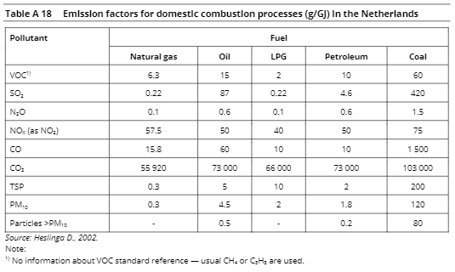

Buildings
(g pollutant/BTU)
 |  |  |  |  |  |  |  |  |  |  | Color Key
 | electricity | coal | natural gas | petroleum diesel | heat | biomass | kerosene | heavy or residual fuel oil | LPG propane or butane | hydrogen |  | US data
CO2 | 0 | 1.09E-01 | 5.90E-02 | 7.74E-02 | 0 | 0.00E+00 | 7.74E-02 | 7.99E-02 | 6.96E-02 | 0 |  | Proxy value based on similar fuel
VOC | 0 | 5.11E-04 | 2.11E-06 | 1.58E-05 | 0 | 6.33E-04 | 7.28E-07 | 5.28E-06 | 2.00E-06 | 0 |  | Different calculation formula
CO | 0 | 4.85E-03 | 3.17E-05 | 4.22E-05 | 0 | 4.22E-03 | 6.01E-05 | 4.22E-05 | 2.74E-05 | 0
NOx | 0 | 1.16E-04 | 6.33E-05 | 1.06E-04 | 0 | 5.28E-05 | 5.38E-05 | 1.06E-04 | 5.38E-05 | 5.07E-05
PM10 | 0 | 4.26E-04 | 2.32E-06 | 3.17E-06 | 0 | 8.02E-04 | 2.00E-06 | 4.22E-05 | 1.27E-06 | 0
PM25 | 0 | 4.20E-04 | 2.32E-06 | 3.17E-06 | 0 | 7.81E-04 | 2.00E-06 | 3.17E-05 | 1.27E-06 | 0
SOx | 0 | 9.50E-04 | 3.17E-07 | 1.48E-04 | 0 | 1.16E-05 | 7.39E-05 | 1.48E-04 | 3.17E-07 | 0
BC | 0 | 2.69E-05 | 1.25E-07 | 1.70E-07 | 0 | 7.81E-05 | 1.70E-07 | 1.70E-07 | 6.84E-08 | 0
OC | 0 | 3.14E-07 | 9.40E-06 | 1.62E-06 | 0 | 3.26E-04 | 1.62E-06 | 1.62E-06 | 3.14E-07 | 0
CH4 | 0 | 1.10E-05 | 1.00E-06 | 3.00E-06 | 0 | 0.00E+00 | 3.00E-06 | 3.00E-06 | 3.00E-06 | 0
N2O | 0 | 1.60E-06 | 1.00E-07 | 6.00E-07 | 0 | 0.00E+00 | 6.00E-07 | 6.00E-07 | 6.00E-07 | 0
F gases | 0 | 0 | 0 | 0 | 0 | 0 | 0 | 0 | 0 | 0

Fuel Heat Contents
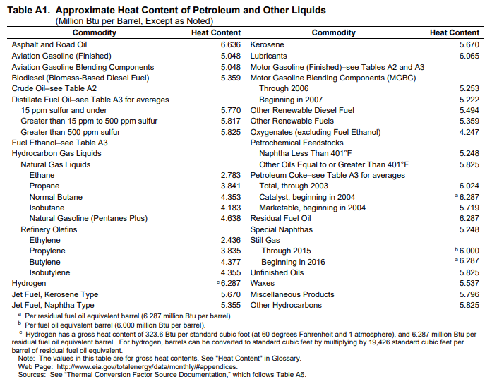
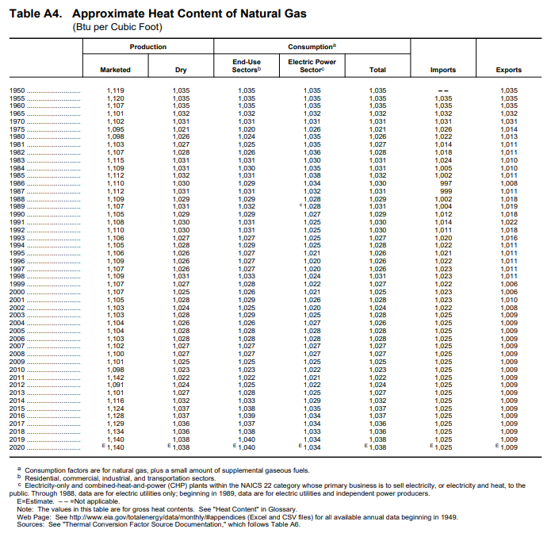
Gallons per barrel | 42

Motor gasoline (BTU per gallon) | 124333
Diesel fuel (BTU per gallon) | 137381
Natural gas (BTU per scf) | 1038
Jet fuel (BTU per gallon) | 135000
Residual fuel oil (BTU per gal) | 149690
LPG (BTU per gal) | 91452

